Nuclear
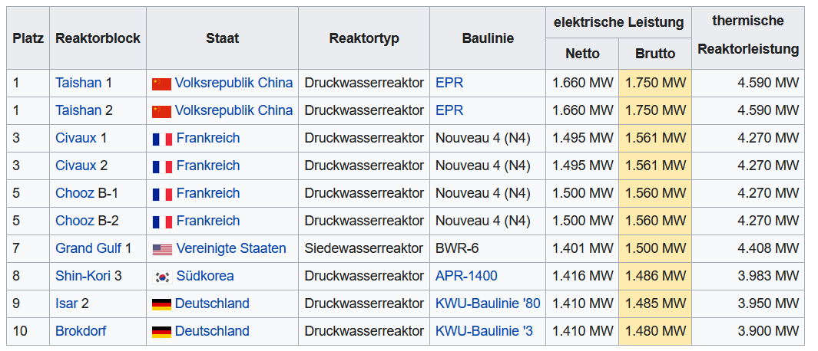
EU Power reactors under construction
https://www.world-nuclear.org/information-library/current-and-future-generation/plans-for-new-reactors-worldwide.aspx
Start |  | Reactor/Description | Model | Gross MWe | Net MWe
2021 | Slovakia, SE | Mochovce 3 | VVER-440 | 471 | 447.45
2023 | Slovakia, SE | Mochovce 4 | VVER-440 | 471 | 447.45
2023 | France, EDF | Flamanville 3 | EPR | 1750 | 1662.5
2026 | UK, EDF | Hinkley Point C1 | EPR | 1720 | 1634
2027 | UK, EDF | Hinkley Point C2 | EPR | 1720 | 1634
2022 | Finland | Olkiluoto 3 | EPR | 1720 | 1634 |  |  |  | Self consumption (average) derived from https://de.wikipedia.org/wiki/Liste_der_leistungsst%C3%A4rksten_Kernreaktoren

2018 | 2019 | 2020 | 2021 | 2022 | 2023 | 2024 | 2025 | 2026 | 2027 | 2028 | 2029 | 2030 | 2031 | 2032 | 2033 | 2034 | 2035 | 2036 | 2037 | 2038 | 2039 | 2040 | 2041 | 2042 | 2043 | 2044 | 2045 | 2046 | 2047 | 2048 | 2049 | 2050
0 | 0 |  | 471 | 1720 | 2109.95 | 0 |  | 1720 | 1720 | 0 | 0 | 0 | 0 | 0 | 0 | 0 | 0 | 0 | 0 | 0 | 0 | 0 | 0 | 0 | 0 | 0 | 0 | 0 | 0 | 0 | 0 | 0

Wind
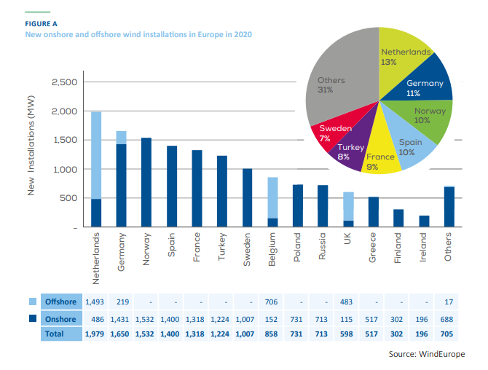

Offshore | 1493 | 219 |  |  |  |  |  | 706 |  |  | 483 |  |  |  | 17
Onshore | 486 | 1431 | 1532 | 1400 | 1318 | 1224 | 1007 | 152 | 731 | 713 | 115 | 517 | 302 | 196 | 688
Total | 1979 | 1650 | 1532 | 1400 | 1318 | 1224 | 1007 | 858 | 731 | 713 | 598 | 517 | 302 | 196 | 705

Total Offshore | 2918
Total Onshore | 11812

